Anova
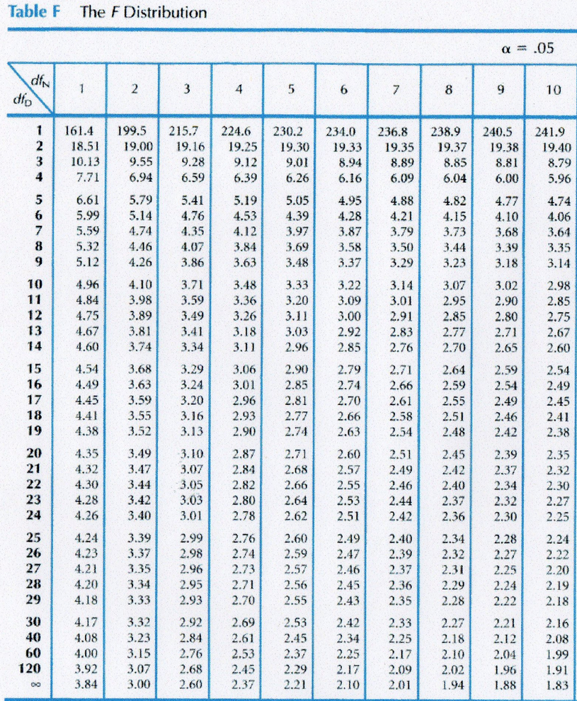
 |  | Data |  | Squared Data (square of each data point) |  | ANOVA
 |  | Hydrilla remaining: | Snail Biomass remaining: | Hydrilla remaining: | Snail Biomass remaining: |  | Hydrilla remaining: | Snail Biomass remaining:
 |  | % | % | % | % |  | % | % | Desciption | Formula
w | Present | 39.33% | 65.96% | 15.47% | 43.51% | SW |  |  | Sum of present | ∑W
 | Present | 41.75% | 97.84% | 17.43% | 95.73% | SX |  |  | Sum of visible | ∑X
 | Present | 36.62% | 87.69% | 13.41% | 76.90% | SY |  |  | Sum of absent | ∑Y
 | Present | 40.19% | 98.01% | 16.15% | 96.06% | SZ |  | NA | Sum of control | ∑Z
 |  |  |  | 0.00% |  | ST |  |  | Sum of all data | ∑W + ∑X + ∑Y +∑Z
 |  |  |  |  |  | NW |  |  | Sample size of group w | number of data points in group w
x | Visible | 49.14% | 106.06% | 24.14% | 112.49% | NX |  |  | Sample size of group x | number of data points in group x
 | Visible | 44.64% | 105.61% | 19.92% | 111.53% | NY |  |  | Sample size group y | number of data points in group y
 | Visible | 23.76% | 104.34% | 5.65% | 108.87% | NZ |  | NA | Sample size of group z | number of data points in group z
 | Visible | 20.45% | 105.49% | 4.18% | 111.28% | N |  |  | Sample size (total) | total number of data points
 |  |  |  |  |  | C |  |  | mean correction | [(∑W+∑X+∑Y+∑Z)^2] / N
 |  |  |  |  |  | SSB |  |  | sum of squares between groups | [([(ΣW)^2] / NW ) + ([(ΣX)^2] / NX ) + ([(ΣY)^2] / NY ) + ([(ΣZ)^2] / NZ ) ] - C
y | Absent | 28.15% | 105.97% | 7.93% | 112.29% | D |  |  | sum of all squared data | ∑ Squared Data
 | Absent | 39.25% | 105.75% | 15.41% | 111.83% | SST |  |  | sum of squares total | D - C
 | Absent | 3.33% | 106.79% | 0.11% | 114.04% | SSW |  |  | sum of squares wihtin groups | SST - SSB
 | Absent | 40.12% | 101.11% | 16.10% | 102.23% | k | 4 | 3 | number of treatments | count the number of treatments or habitats
 |  |  |  |  |  | DFB | 3 | 2 | degrees of freedome between groups (in table, dfN) | k - 1
 |  |  |  |  |  | DFW | 12 | 9 | degrees of freeddome within group (in table dfD) | (NW-1) + (NX-1) + (NY-1) + (NZ-1)
z | Control | 119.15% | NA | 141.96% | NA | MSB |  |  | mean square between groups | SSB / DFB
 | Control | 215.86% | NA | 465.94% | NA | MSW |  |  | mean square within groups | SSW /DFW
 | Control | 89.46% | NA | 80.04% | NA | Fstat |  |  | f statistic | MSB / MSW
 | Control | 71.54% | NA | 51.18% | NA | Fcrit |  |  | critical f value: if less than F statistic, reject null hypothesis
 |  |  |  |  |  | P value |  |  | greater or less than alpha

ANOVA & Tukey
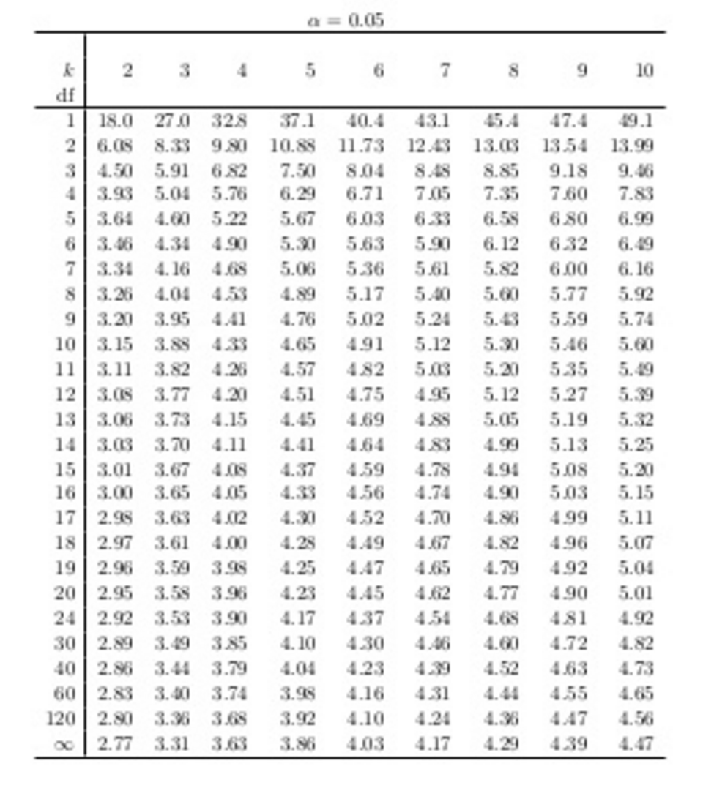
If your calculated q is > q critical, there is a significant difference between those two things
Tukey Post Hoc Test |  |  |  |  |  |  |  |  | q =ABS(mean1 - mean2)/SQRT(Mswithin/k)
% Hydrilla remaining:
Site |  | Mean | SE | Mswithin | DF within | k | q critical | Calculate q values: | q | is q >qcrit?
Direct Belostomatid | Present | 39.47% | 1.07% | 0 | 12 | 4 |  | P - V
Indirect Belostomatid | Visible | 34.50% | 7.24% |  |  |  |  | P - A
No Belostomatid | Absent | 27.71% | 8.57% |  |  |  |  | P - C
Control | Control | 124.00% | 32.15% |  |  |  |  | V - A
 |  |  |  |  |  |  |  | V - C
 |  |  |  |  |  |  |  | A - C

% Snail Biomass remaining:
Site |  | Mean | SE | Mswithin | DF within | k | q critical | Calculate q values: | q | is q >qcrit?
Direct Belostomatid | Present | 83.83% | 8.14% | 0 | 9 | 3 |  | P - V
Indirect Belostomatid | Visible | 105.34% | 0.45% |  |  |  |  | P - A
No Belostomatid | Absent | 0.00% | 0.00% |  |  |  |  | V - A

